Sheet1
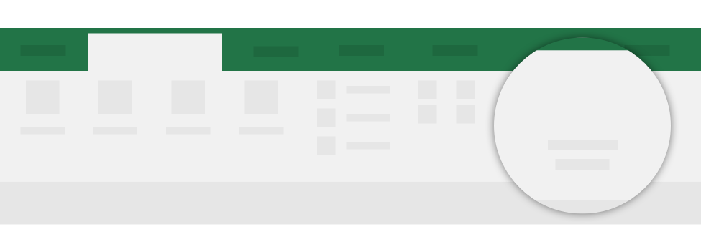
Return to your internet browser or copy this link into your browser:
https://store.office.com/destroute?osid=ef65f33f-ee72-484c-aa3d-8024b35e6bed&ai=WA104381695&rs=en-US&ta=HE
Need more help?
Home
Cryptosheets
On the Cryptosheets tab
After you install the add-in, you can launch it by choosing the add-in button on the Cryptosheets tab
Launch the add-in
Cryptosheets

